Table S3
$$q_{p}=\frac{μ}{Y_{p/x}}$$
Supplementary Table 3. Metabolites production parameters by SPC
Microorganism | Model | Model ID | Metabolite | Average growth rate (1/h) | Average production rate (mmol/gDW h) | Molecular weight | Yp,x
S. elongatus - E. coli W | Community | iCZ-Se-EcW(2157) | Butanal | 0.1 | 0.4 | 74 | 0.0030
S. elongatus - E. coli K-12 MG 1655 | Community | iCZ-Se-EcK-12(2152) | Butanal | 0.1 | 0.25 | 74 | 0.0019
S. elongatus - Bacillus subtilis | Community | iCZ-Se-Bs(1629) | Butanal | 0 | 0 | 74 | 0.0000
S. elongatus - Yarrowia lipolytica | Community | iCZ-Se-Yl(1686) | Butanal | 0 | 0 | 74 | 0.0000 | 0.0012 | 0.0015
S. elongatus - E. coli W | Community | iCZ-Se-EcW(2157) | Ethanol | 0.95 | 0.6 | 46 | 0.0262
S. elongatus - E. coli K-12 MG 1655 | Community | iCZ-Se-EcK-12(2152) | Ethanol | 0.1 | 0.4 | 46 | 0.0018
S. elongatus - Bacillus subtilis | Community | iCZ-Se-Bs(1629) | Ethanol | 0.13 | 1.2 | 46 | 0.0072
S. elongatus - Yarrowia lipolytica | Community | iCZ-Se-Yl(1686) | Ethanol | 0.95 | 0.2 | 46 | 0.0087 | 0.0110 | 0.0106
S. elongatus - E. coli W | Community | iCZ-Se-EcW(2157) | Formaldehyde | 0.11 | 0.5 | 30 | 0.0017
S. elongatus - E. coli K-12 MG 1655 | Community | iCZ-Se-EcK-12(2152) | Formaldehyde | 0.11 | 0.5 | 30 | 0.0017
S. elongatus - Bacillus subtilis | Community | iCZ-Se-Bs(1629) | Formaldehyde | 0 | 0 | 30 | 0.0000
S. elongatus - Yarrowia lipolytica | Community | iCZ-Se-Yl(1686) | Formaldehyde | 0 | 0 | 30 | 0.0000 | 0.0008 | 0.0010
S. elongatus - E. coli W | Community | iCZ-Se-EcW(2157) | Succinate | 0.1 | 0.35 | 118 | 0.0041
S. elongatus - E. coli K-12 MG 1655 | Community | iCZ-Se-EcK-12(2152) | Succinate | 0.1 | 0.2 | 118 | 0.0024
S. elongatus - Bacillus subtilis | Community | iCZ-Se-Bs(1629) | Succinate | 0.14 | 0.5 | 118 | 0.0083
S. elongatus - Yarrowia lipolytica | Community | iCZ-Se-Yl(1686) | Succinate | 0.98 | 0.1 | 118 | 0.0116 | 0.0066 | 0.0041
E. coli W | Monoculture | iECW1372 | Butanal | 0.01 | 0.25 | 74 | 0.0002
E. coli K-12 MG 1655 | Monoculture | iML1515 | Butanal | 0.09 | 0.4 | 74 | 0.0027
Bacillus subtilis | Monoculture | iYO844 | Butanal | 0 | 0 | 74 | 0.0000
Yarrowia lipolytica | Monoculture | iYali4 | Butanal | 0 | 0 | 74 | 0.0000
E. coli W | Monoculture | iECW1372 | Ethanol | 0.1 | 0.3 | 46 | 0.0014
E. coli K-12 MG 1655 | Monoculture | iML1515 | Ethanol | 0.08 | 0.2 | 46 | 0.0007
Bacillus subtilis | Monoculture | iYO844 | Ethanol | 0.1 | 0.1 | 46 | 0.0005
Yarrowia lipolytica | Monoculture | iYali4 | Ethanol | 0 | 0 | 46 | 0.0000
E. coli W | Monoculture | iECW1372 | Succinate | 0.025 | 0.41 | 118 | 0.0012
E. coli K-12 MG 1655 | Monoculture | iML1515 | Succinate | 0.09 | 1.5 | 118 | 0.0159
Bacillus subtilis | Monoculture | iYO844 | Succinate | 0 | 0 | 118 | 0.0000
Yarrowia lipolytica | Monoculture | iYali4 | Succinate | 0.04 | 0.25 | 118 | 0.0012
Formaldehyde was not produced by any of the strains under monoculture conditions
Color code of the yield is given by metabolite considering all yields under monoculture and coculture

Phase planes of metabolite production by all SPCs
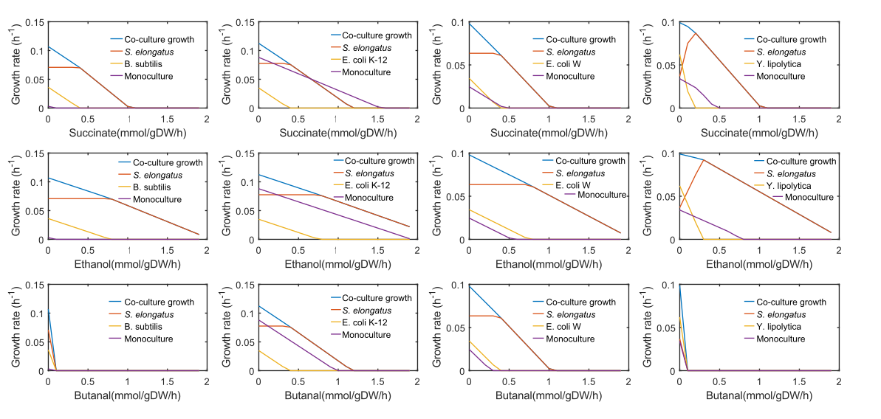

 |  |  |  |  |  |  |  |  | #REF!

 |  |  |  |  |  |  |  |  | #REF!
 |  |  |  |  |  |  |  |  | #REF!

 |  |  |  |  |  |  |  |  | #REF!

 |  |  |  |  |  |  |  |  | #REF!
 |  |  |  |  |  |  |  |  | #REF!

Table S5
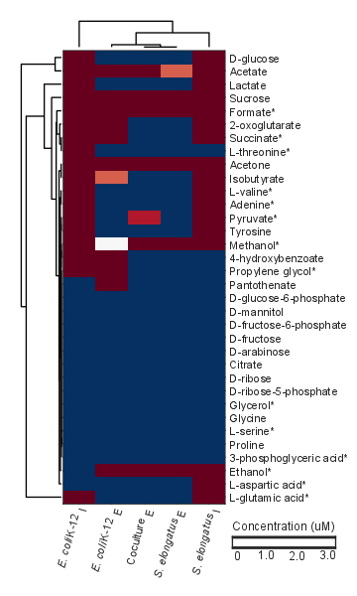
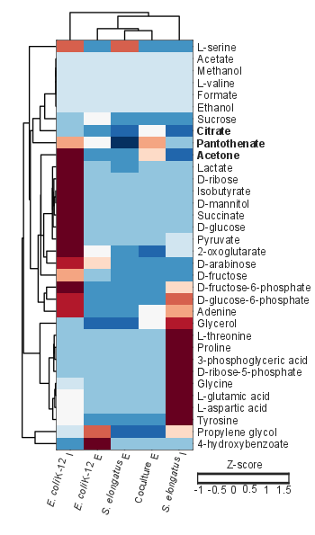
Supplementary Table 5. Measurements of intracellular and extracellular metabolites by NMR and GC-MS
 |  | NMR |  |  |  |  | GC-MS |  |  |  |  |  | Predicted
 |  | Extracellular |  |  | Intracellular |  | Extracellular |  |  | Intracellular |  |  | Exchanged | Production flux
Metabolite | Metabolite ID | E. coli K-12 (μM) | Coculture (μM) | S. elongatus (μM) | E. coli K-12 (μM) | S. elongatus (μM) | E. coli K-12 (Z-score) | S. elongatus (Z-score) | Coculture (Z-score) | E. coli K-12 (Z-score) | S. elongatus (Z-score) | Alternate measured compound | Se-EcK-12 |  | S. elongatus cscB+ | E. coli K-12
2-oxoglutarate | akg | 404.200 | 0.000 | 0.000 | 1269.500 | 46.200 | 0.208 | -0.610 | -0.978 | 2.077 | 0.085 |  |  | -0.078 | -0.091400 | -0.087972
3-phosphoglyceric acid | g3pg | NF | NF | NF | NF | NF | -0.413 | -0.461 | -0.417 | -0.391 | 2.258 | *Acetoacetate | 2.600 | 0.078 | 0.000006 | 0.087932
4-hydroxybenzoate | 4hbz | 12.800 | 0.000 | 0.000 | 31.100 | 0.000 | 2.259 | -0.404 | -0.335 | -0.535 | -0.418 |  |  | 0.000 | 0.000006 | 0.000000
Acetate | ac_ | 424.000 | 2.300 | 3.400 | 10891.700 | 157.900 | NF | NF | NF | NF | NF |  |  | 0.078 | 0.088802 | 0.087933
Acetone | aact | 7.300 | 4.400 | 7.200 | 710.100 | 10.800 | -0.601 | -0.771 | 0.556 | 1.943 | -0.917 | *Acetoacetate |  | 0.000 | 0.088802 | 0.000000
Adenine | ade | 0.000 | 0.000 | 0.000 | 238.200 | 64.100 | -0.750 | -0.780 | 0.343 | 1.575 | 1.072 |  | 0.035 | -0.078 | 0.023199 | 0.088012
Citric acid | cit | NF | NF | NF | NF | NF | -0.532 | -0.896 | 0.238 | -0.428 | -0.963 |  |  | -0.078 | 0.047000 | 0.087900
D-arabinose | arab | NF | NF | NF | NF | NF | 0.584 | -0.527 | -0.857 | 1.759 | -0.591 |  |  | -0.078 | 0.047000 | -0.087972
D-fructose | fru_ | NF | NF | NF | NF | NF | -0.510 | -0.591 | -0.586 | 0.953 | -0.546 |  |  | 0.078 | -0.000006 | -0.088011
D-fructose-6-phosphate | f6p_ | NF | NF | NF | NF | NF | -0.528 | -0.528 | -0.528 | 2.069 | 0.571 |  |  | 0.078 | -0.070247 | -0.087932
D-glucose | glc | 0.000 | 0.000 | 0.000 | 12580.200 | 453.700 | -0.469 | -0.504 | -0.499 | 2.212 | -0.343 |  |  | 0.078 | -0.073335 | 0.087893
D-glucose-6-phosphate | g6p | NF | NF | NF | NF | NF | -0.583 | -0.583 | -0.583 | 1.618 | 1.297 |  |  | -0.078 | 0.023176 | 0.087933
D-mannitol | mnl | NF | NF | NF | NF | NF | -0.378 | -0.378 | -0.378 | 2.268 | -0.378 |  |  | 0.000 | 0.023176 | -0.000079
D-ribose | rib_ | NF | NF | NF | NF | NF | -0.409 | -0.389 | -0.230 | 2.262 | -0.363 |  |  | 0.078 | 0.023176 | 0.088012
D-ribose-5-phosphate | r5p | NF | NF | NF | NF | NF | -0.408 | -0.408 | -0.408 | -0.220 | 2.262 |  |  | -0.078 | 0.023164 | -0.087932
Ethanol | etoh | 13.200 | 13.700 | 18.600 | 0.000 | 257.400 | NF | NF | NF | NF | NF |  | 2.600 | -0.078 | -0.023198 | 0.000000
Formate | for | 1343.200 | 6.500 | 43.300 | 1103.500 | 306.500 | NF | NF | NF | NF | NF |  | 0.359 | 0.078 | -0.004437 | 0.087952
Glycerol | glyc | NF | NF | NF | NF | NF | -1.166 | -1.175 | 0.331 | -0.372 | 1.599 |  | 1.390 | -0.066 | -0.225684 | 2.400803
Glycine | gly_ | NF | NF | NF | NF | NF | -0.476 | -0.476 | -0.476 | 0.178 | 2.199 |  |  | -0.078 | 0.092988 | -0.087956
Isobutyrate | but_ | 2.300 | 0.000 | 0.000 | 642.500 | 28.900 | -0.378 | -0.376 | -0.378 | 2.268 | -0.378 |  |  | 0.000 | -0.164572 | 0.000040
L-aspartic acid | asp_ | 0.000 | 0.000 | 0.000 | 0.000 | 617.800 | -0.467 | -0.500 | -0.501 | 0.277 | 2.173 |  | 0.018 | -0.078 | -0.164572 | -0.088021
L-glutamic acid | glu_ | 0.000 | 0.000 | 0.000 | 2051.500 | 9854.000 | -0.480 | -0.480 | -0.480 | 0.210 | 2.192 |  | 0.077 | 0.072 | 10.126650 | 0.087922
L-serine | ser_ | NF | NF | NF | NF | NF | -0.585 | 1.535 | -0.585 | 1.390 | -0.585 |  | 1.407 | -0.078 | -0.046450 | 0.088003
L-threonine | thr_ | 0.000 | 0.000 | 0.000 | 1512.600 | 0.000 | -0.377 | -0.399 | -0.255 | -0.370 | 2.264 |  | 1.550 | -0.078 | 0.053652 | 0.087923
L-valine | val_ | 0.000 | 0.000 | 0.000 | 330.800 | 20.300 | NF | NF | NF | NF | NF |  | 0.068 | 0.078 | 0.053652 | 0.087916
Methanol | meoh_ | 1.600 | 6.700 | 5.400 | 19.500 | 14.200 | NF | NF | NF | NF | NF |  | -1.55E-07 | -0.078 | -0.007325 | 0.000000
Pantothenate | pnto | 5.800 | 0.000 | 0.000 | 0.000 | 0.000 | 0.241 | -1.552 | 1.057 | 0.951 | -0.410 |  |  | 0.078 | -0.000006 | 0.000040
Proline | pro | NF | NF | NF | NF | NF | -0.378 | -0.378 | -0.378 | -0.378 | 2.268 |  |  | 0.078 | 0.006440 | -0.087941
Propylene glycol | glyclt | 4.700 | 0.000 | 0.000 | 14.600 | 0.000 | 1.470 | -1.171 | -1.133 | 0.135 | 0.784 | *Glycolate |  | -0.078 | 0.053664 | 0.088012
Pyruvate | pyr | 0.000 | 0.000 | 2.600 | 80.600 | 61.100 | -0.475 | -0.295 | -0.457 | 2.249 | -0.142 |  | 3.267 | 0.078 | 0.213437 | 0.088011
Succinate | succ_ | 5.400 | 0.000 | 0.000 | 1524.300 | 4.000 | -0.241 | -0.409 | -0.391 | 2.263 | -0.429 |  | 36.936 | 0.078 | 0.045103 | 0.088011
Sucrose | sucr_ | 903.500 | 86.000 | 101.500 | 2364.900 | 1552.800 | 0.309 | -0.587 | -0.547 | -0.179 | -0.546 |  |  | -0.078 | 0.027486 | -0.000040
Tyrosine | tyr | 0.000 | 0.000 | 0.000 | 47.300 | 42.400 | -0.546 | -0.546 | -0.546 | 0.247 | 1.936 |  |  | -0.078 | 0.023168 | -0.088017
Lactate | lac | 0.000 | 0.000 | 0.000 | 5142.400 | 113.700 | -0.437 | -0.522 | -0.206 | 2.248 | -0.196 |  | 498 | -0.078 | -0.001261 | 0.087972
Predicted metabolites not detected in NMR and GC-MS: L-arganine, L-isoleucine, L-phenylalanine, and homoserine
Standard error of all measurements is below 10% of the average observed concentration. Measurements obtained from independent samples
 |  |  | Clustergram of NMR metabolite data |  |  |  |  |  | Clustergram of GC-MS metabolite data
 |  | *Metabolites predicted to be exchanged |  |  |  |  |  | In bold metabolites confirmed experimentally with higher production in coculure

